Summary table
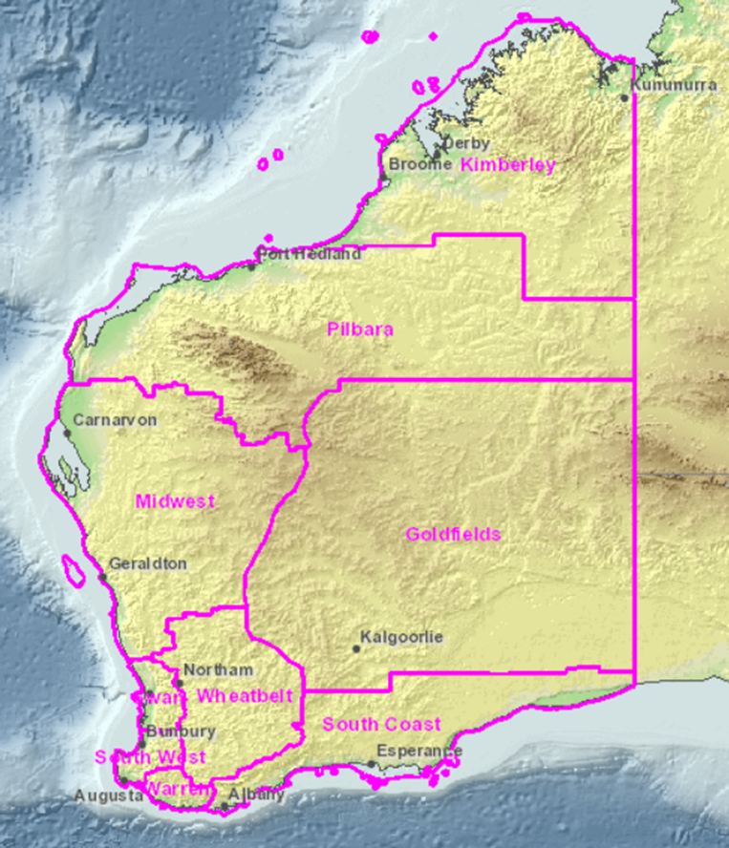
Summary of ecological communities (types and subtypes) with priority for conservation by DBCA administrative regions
Updated: 25/09/2025
DBCA region | Collapsed | Critically Endangered | Endangered | Vulnerable | Total Threatened | Priority 1 | Priority 2 | Priority 3 | Priority 4 | Total Priority
Goldfields | 0 | 0 | 0 | 1 | 1 | 54 | 0 | 8 | 1 | 63
Kimberley | 0 | 6 | 1 | 4 | 11 | 21 | 1 | 38 | 1 | 61
Midwest | 3 | 10 | 0 | 1 | 11 | 72 | 1 | 30 | 9 | 112
Pilbara | 0 | 3 | 0 | 1 | 4 | 21 | 1 | 25 | 3 | 50
South Coast | 0 | 1 | 0 | 2 | 3 | 28 | 3 | 9 | 3 | 43
South West | 0 | 13 | 8 | 1 | 22 | 17 | 6 | 8 | 0 | 31
Swan | 0 | 15 | 7 | 0 | 22 | 14 | 7 | 14 | 1 | 36
Warren | 0 | 2 | 0 | 0 | 2 | 6 | 5 | 3 | 0 | 14
Wheatbelt | 0 | 2 | 0 | 1 | 3 | 14 | 3 | 10 | 1 | 28
STATE* | 3 | 46 | 9 | 11 | 66 | 234 | 25 | 112 | 18 | 389
*Ecological communities may occur in more than one region

