Summary Table
SUMMARY OF PLANT TAXA WITH PRIORITY FOR CONSERVATION BY ADMINISTATIVE REGIONS |  |  |  |  |  |  |  |  | Last updated 27th July 2026
2026-07-31
REGION | THREATENED | PRESUMED EXTINCT | PRIORITY 1 | PRIORITY 2 | PRIORITY 3 | PRIORITY 4 | TOTAL TAXA
KIMBERLEY | 3 | 0 | 312 | 127 | 172 | 13 | 627
PILBARA | 5 | 0 | 90 | 35 | 126 | 12 | 268
SWAN | 74 | 5 | 56 | 73 | 120 | 71 | 399
GOLDFIELDS | 16 | 0 | 156 | 56 | 154 | 26 | 408
SOUTH COAST | 119 | 3 | 148 | 254 | 215 | 160 | 899
WARREN | 25 | 0 | 13 | 65 | 69 | 50 | 222
MIDWEST | 117 | 0 | 252 | 232 | 336 | 87 | 1024
SOUTH WEST | 55 | 2 | 43 | 54 | 85 | 49 | 288
Unknown | 0 | 3 | 4 | 0 | 0 | 0 | 7
WHEATBELT | 147 | 4 | 163 | 197 | 268 | 87 | 866

STATE* | 452 | 17 | 1143 | 931 | 1050 | 375 | 3968
*Species may occur in more than one Region

WA Rank
Critically Endangered | 180
Endangered | 153
Vulnerable | 119

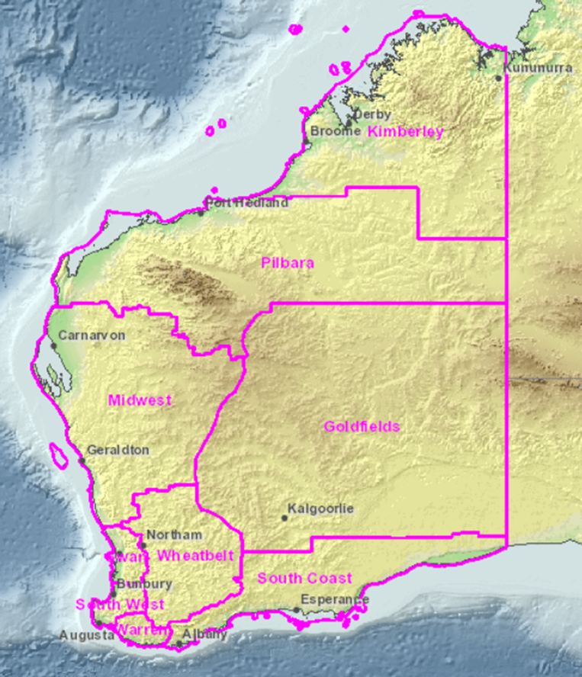
 |  |  |  |  |  |  |  | CITATION
 |  |  |  |  |  |  |  | Threatened Flora: | State of Western Australia (2026). Biodiversity Conservation (Listing of Native Species) (Flora) Order 2025(2). Western Australian Government Gazette 2025 (78): 1060-1075.https://www.legislation.wa.gov.au/legislation/statutes.nsf/gazettes2026.html
 |  |  |  |  |  |  |  |  | WALW - Gazettes for 2026 - Home Page
 |  |  |  |  |  |  |  | Priority Flora (cite the Florbase website): | Western Australian Herbarium (1998–). Florabase—the Western Australian Flora. Department of Biodiversity, Conservation and Attractions. https://florabase.dpaw.wa.gov.au/ (Accessed date)
 |  |  |  |  |  |  |  |  | https://florabase.dbca.wa.gov.au/

